Auto Fill
Autofill options
 | January | February | March | April | May | June | July | August | September | October | November | December

 | 1 | 2 | 3 | 4 | 5 | 6 | 7 | 8 | 9 | 10 | 11 | 12
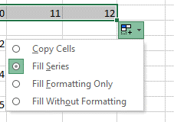
 | 1 | 2 | 1 | 2 | 1 | 2 | 1 | 2 | 1 | 2 | 1 | 2

 | 24-Oct-14 | 25-Oct-14 | 26-Oct-14 | 27-Oct-14 | 28-Oct-14 | 29-Oct-14 | 30-Oct-14 | 31-Oct-14 | 1-Nov-14 | 2-Nov-14 | 3-Nov-14 | 4-Nov-14

 | 24-Oct-14 | 24-Nov-14 | 24-Dec-14 | 24-Jan-15 | 24-Feb-15 | 24-Mar-15 | 24-Apr-15 | 24-May-15 | 24-Jun-15 | 24-Jul-15 | 24-Aug-15 | 24-Sep-15

 | 24-Oct-14 | 24-Oct-15 | 24-Oct-16 | 24-Oct-17 | 24-Oct-18 | 24-Oct-19 | 24-Oct-20 | 24-Oct-21 | 24-Oct-22 | 24-Oct-23 | 24-Oct-24 | 24-Oct-25

Fill only Weekdays | 24-Oct-14 | 27-Oct-14 | 28-Oct-14 | 29-Oct-14 | 30-Oct-14 | 31-Oct-14 | 3-Nov-14 | 4-Nov-14 | 5-Nov-14 | 6-Nov-14 | 7-Nov-14 | 10-Nov-14

Paste
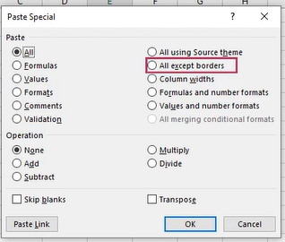
Paste options
 | 1 | 1
 | 5 | 2 | Right click cell to get paste options Use Transpose option to change data copied row-wise to column wise
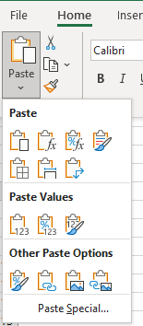
 | 6 | 5
 | 8 | 6
 | 20 | 20
 |  |  |  | 1 | 5 | 6 | 8 | 20

